Jira Road Map S1
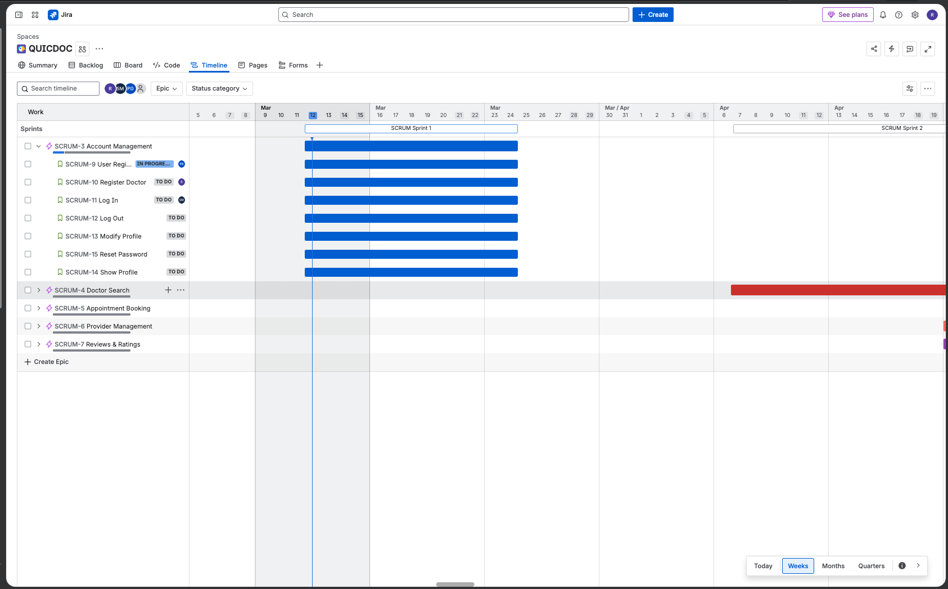
Timeline/Roadmap View: Monthly

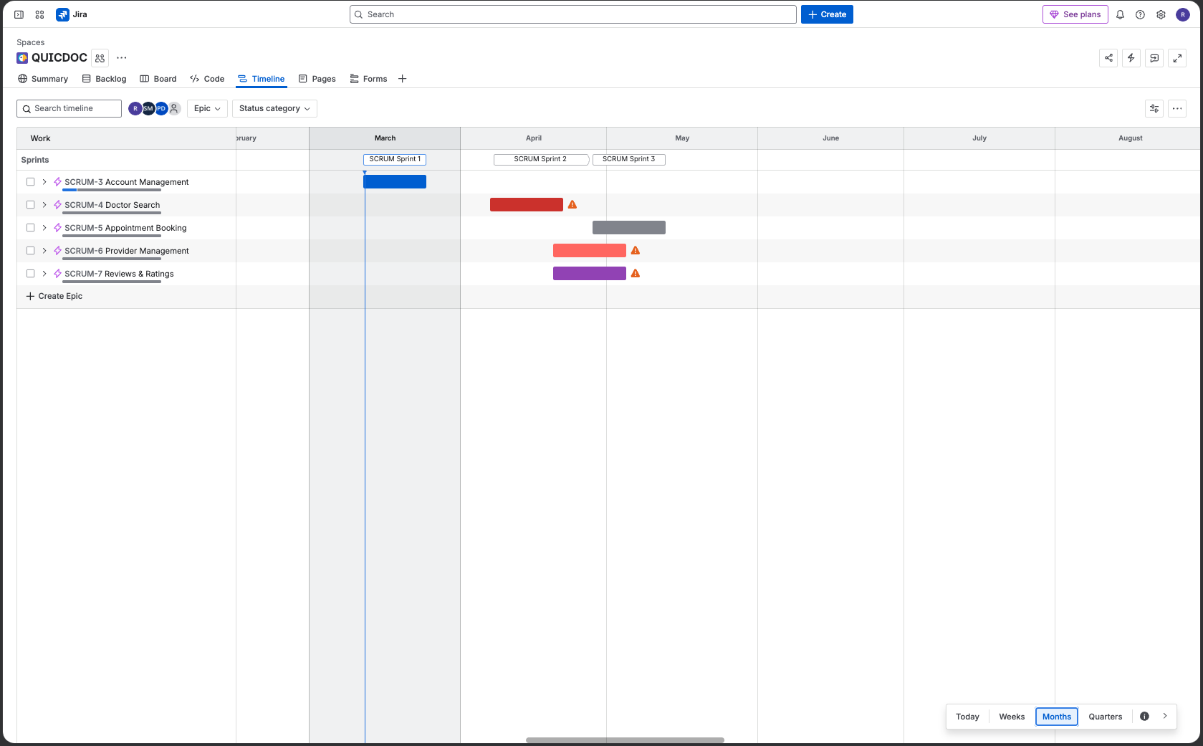
[Paste your Jira RoadMap screenshot here - expand Epics to show user stories per sprint]

Timeline/Roadmap View: Weekly

Timeline/Roadmap View: Weekly

Kanban Board

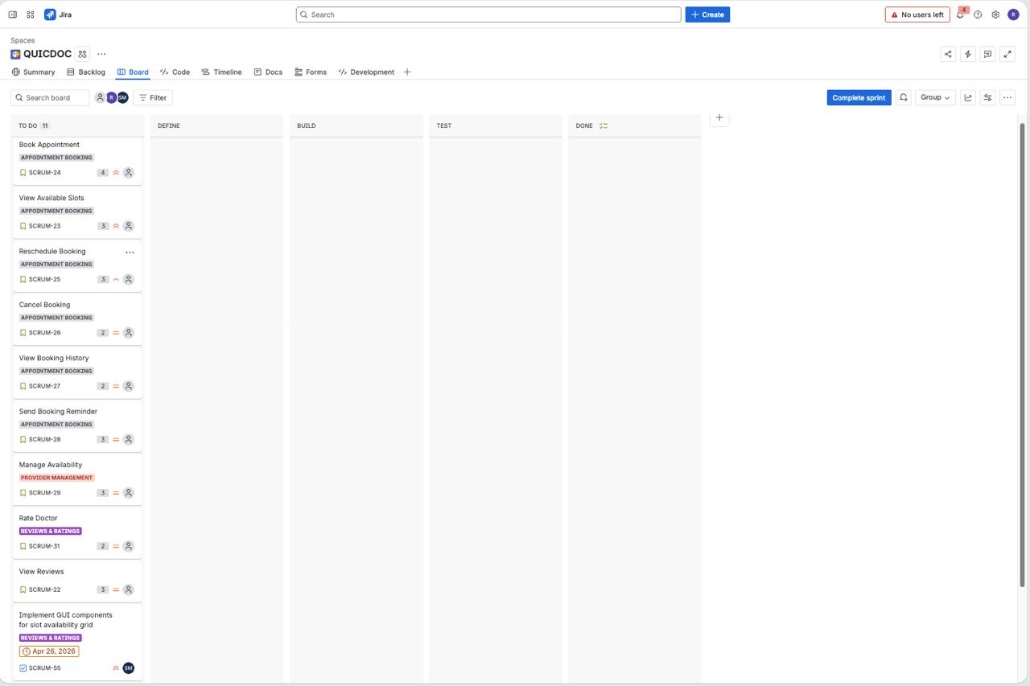
Kanban Board
Sprint 1 - 03/24/2026

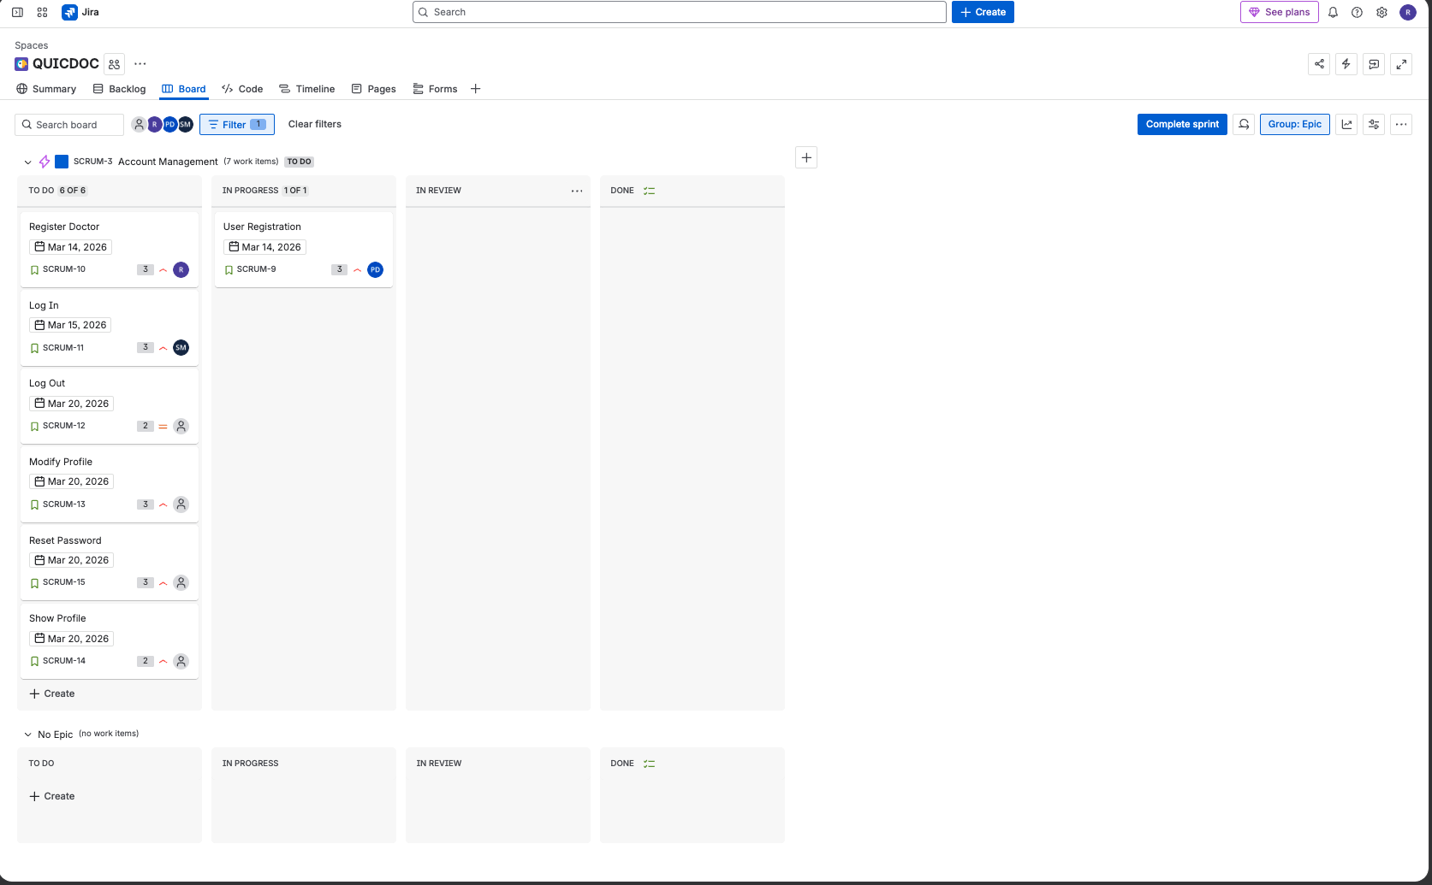

Sprint 2 - 04/08/2026

Sprint 3 - 04/29/2026

